TestSummary
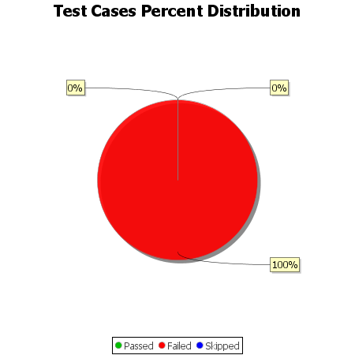
Total Test Cases | 2
Test Cases Passed | 0
Test Cases Failed | 2
Test Cases Skipped | 0

